DESIGN 43, 77 & 61
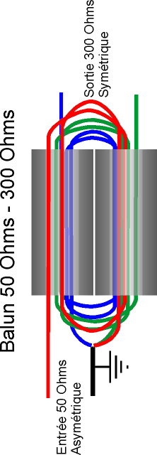
RF TRANSFORMERS, BALUNS AND UNUNS CALCULATIONS 1,5 - 30 (50) MHz | CALCUL DES TRANSFORMATEURS HF, BALUNS ET UNUNS 1,5 - 30 (50) MHz | by F1FRV | May / Mai 2013 rev 2b4
Input data: Black on blue | Données d'entrée: Noir sur fond bleu |  | http://f1frv.free.fr |  | f1frv@sfr.fr
Best results: Red on yellow | Meilleurs résultats: Rouge sur fond jaune | Replace rev2 may 2009
Admissible (not the best) results: Black on orange | Résultats (passables) admissibles: Noir sur fond orange | Acc. to ISO 9000 HI ...
Non acceptable results: Black on red | Résultats non acceptables: Noir sur fond rouge
RF Power (PEP) | Puissance HF (crête) | 2500 | Watts
Minimum frequency of use | Fréquence minimale de service | 1.800 | MHz
Maximum frequency of use | Fréquence maximale de service | 30.000 | MHz
Primary impedance | Impédance primaire | 50 | Ohms
Design frequency for mean impedance (Fmin + 11% of BW) | Frequence de calcul pour impedance moyenne (Fmin + 11% of BW) | 4.90 | MHz
Peak RF voltage at primary (1/1 SWR) | Tension HF crête au primaire (TOS 1/1) | 354 | Volts
Peak RF voltage at primary (3/1 SWR) | Tension HF crête au primaire (TOS 3/1) | 612 | Volts
Peak RF voltage at primary (10/1 SWR) | Tension HF crête au primaire (TOS 10/1) | 1118 | Volts
Primary turns number | Nb de tours primaire | 1.5
Secondary TOTAL turns number | Nb TOTAL de tours secondaire | 3
Transfer ratio | Rapport de transformation | 4 | / 1
Coper cross sectional area @ 3,3 Amp / mm2 | Section du cuivre @ 3,3 Amperes / mm2 | 2.14 | mm2 | BE CAREFUL WITH BN-43-xxxx BINOCULARS.
Bare coper diameter (solid wire), without insulation | Diamètre du cuivre nu (monobrin), sans isolation | 1.65 | mm | HOLES ARE SMALL, FOR SMALL WIRES ONLY
Load secondary impedance | Impédance de charge secondaire | 200 | Ohms | >> NOT APPLICABLE FOR HIGH POWER !!!
Secondary peak RF voltage (SWR 1/1) | Tension crête HF au secondaire (TOS 1/1) | 707 | Volts | EVEN IF RESULTS ARE NOT IN RED !!!
Secondary peak RF voltage (SWR 3/1) | Tension crête HF au secondaire (TOS 3/1) | 1225 | Volts | PTFE SPAGHETTIS TEFLON
Secondary peak RF voltage (SWR 10/1) | Tension crête HF au secondaire (TOS 10/1) | 2236 | Volts | !!! INSULATION / ISOLATION
Toroids | Tores | FT82-43 | FT114-43 | FT140-43 | FT240-43 |  | BN-43-202
1 toroid nominal (+/-20%) specific inductance (Al) | Inductance specifique (Al) nominale (+/-20%) d'un tore | 470 | 510 | 885 | 1075 | nH/sp2 | 2890
1 toroid cross sectional area | Section | 0.243 | 0.37 | 0.79 | 1.58 | cm2 | 0.77
Maximum flux density for material 43 | Flux maximum pour materiau 43 | 2900 | 2900 | 2900 | 2900 | Gauss | 2900
NB of stacked toroids (total both sides) | Nb de tores empilés (total pour les 2 côtés) | 8 | 6 | 4 | 2 |  | 1
Secondary coil mean impedance | Impédance moyenne du bobinage secondaire | 1042 | 848 | 981 | 596 | Ohms | 801
Ratio secondary impedance / load impedance | Rapport impédance secondaire / impédance charge | 5.21 | 4.24 | 4.91 | 2.98 |  | 4.01
Flux density @ SWR 1/1 (To be limited to 90% of max.) | Flux @ TOS 1/1 (A limiter à 90% du max.) | 1073 | 939 | 660 | 660 | Gauss | 2708
Flux density @ SWR 3/1 (To be limited to 90% of max.) | Flux @ TOS 3/1 (A limiter à 90% du max.) | 1858 | 1627 | 1143 | 1143 | Gauss | 4690
Flux density @ SWR 10/1 (To be limited to 90% of max.) | Flux @ TOS 10/1 (A limiter à 90% du max.) | 3392 | 2970 | 2087 | 2087 | Gauss | 8563
L'IMPEDANCE MOYENNE DU BOBINAGE DOIT ETRE IDEALEMENT ~2,8 FOIS L'IMPEDANCE DE LA CHARGE SECONDAIRE (ANTENNE). PERFORMANCES ACCEPTABLES DE 1,5 A ~6 FOIS.
MEAN COIL IMPEDANCE SHOULD BE IDEALY ~2,8 TIMES SECONDARY LOAD (ANTENNA) IMPEDANCE. ACCEPTABLE PERFORMANCES FROM 1,5 TO ~6 TIMES.
Toroids | Tores | FT82-77 | FT114-77 | FT140-77 | FT240-77 |  | BN-43-3312
1 toroid nominal (+/-20%) specific inductance (Al) | Inductance specifique (Al) nominale (+/-20%) d'un tore | 1270 | 1365 | 2400 | 2950 | nH/sp2 | 5400
1 toroid cross sectional area | Section d'un tore | 0.243 | 0.37 | 0.79 | 1.58 | cm2 | 1.49
Maximum flux density for material 77 | Flux maximum pour materiau 77 | 4900 | 4900 | 4900 | 4900 | Gauss | 2900
NB of stacked toroids (total both sides) | Nb de tores empilés (total pour les 2 côtés) | 8 | 6 | 4 | 2 |  | 1
Secondary coil mean impedance | Impédance moyenne du bobinage secondaire | 2816 | 2270 | 2661 | 1635 | Ohms | 1497
Ratio secondary impedance / load impedance | Rapport impédance secondaire / impédance charge | 14.08 | 11.35 | 13.31 | 8.18 |  | 7.48
Flux density @ SWR 1/1 (To be limited to 90% of max.) | Flux @ TOS 1/1 (A limiter à 90% du max.) | 1073 | 939 | 660 | 660 | Gauss | 1399
Flux density @ SWR 3/1 (To be limited to 90% of max.) | Flux @ TOS 3/1 (A limiter à 90% du max.) | 1858 | 1627 | 1143 | 1143 | Gauss | 2424
Flux density @ SWR 10/1 (To be limited to 90% of max.) | Flux @ TOS 10/1 (A limiter à 90% du max.) | 3392 | 2970 | 2087 | 2087 | Gauss | 4425
61 MATERIAL IS A GOOD CHOICE FOR HIGH BANDS (LOW VHF, LAND & MOBILE). LE MATERIAU 61 EST UN BON CHOIX POUR LES BANDES HAUTES (24-60 MHz).
Toroids | Tores | FT82-61 | FT114-61 | FT140-61 | FT240-61 |  | BN-43-7051
1 toroid nominal (+/-20%) specific inductance (Al) | Inductance specifique (Al) nominale (+/-20%) d'un tore | 75 | 80 | 140 | 170 | nH/sp2 | 6000
1 toroid cross sectional area | Section | 0.243 | 0.37 | 0.79 | 1.58 | cm2 | 3.45
Maximum flux density for material 61 | Flux maximum pour materiau 61 | 2350 | 2350 | 2350 | 2350 | Gauss | 2900
NB of stacked toroids (total both sides) | Nb de tores empilés (total pour les 2 côtés) | 10 | 8 | 6 | 4 |  | 1
Secondary coil mean impedance | Impédance moyenne du bobinage secondaire | 208 | 177 | 233 | 188 | Ohms | 1663
Ratio secondary impedance / load impedance | Rapport impédance secondaire / impédance charge | 1.04 | 0.89 | 1.16 | 0.94 |  | 8.32
Flux density @ SWR 1/1 (To be limited to 90% of max.) | Flux @ TOS 1/1 (A limiter à 90% du max.) | 858 | 704 | 440 | 330 | Gauss | 604
Flux density @ SWR 3/1 (To be limited to 90% of max.) | Flux @ TOS 3/1 (A limiter à 90% du max.) | 1486 | 1220 | 762 | 571 | Gauss | 1047
Flux density @ SWR 10/1 (To be limited to 90% of max.) | Flux @ TOS 10/1 (A limiter à 90% du max.) | 2713 | 2228 | 1391 | 1043 | Gauss | 1911
A COMPENSATION CAPACITOR IN PARALLEL TO PRIMARY COIL (WORKING VOLTAGE ADAPTED) IS SOMETIME REQUIRED TO IMPROVE SWR ACROSS BANDWIDTH
UNE CAPACITE DE COMPENSATION EN PARALLELLE SUR LE PRIMAIRE (TENSION ADAPTEE) PEUT ETRE PARFOIS NECESSAIRE POUR AMELIORER LE TOS DANS LA BANDE PASSANTE
TOROIDS SUPPLIERS / FOURNISSEURS DE TORES | http://partsandkits.com/toroids.php | https://www.amidoncorp.com/categories/7
TOROIDS SUPPLIERS / FOURNISSEURS DE TORES | http://www.cwsbytemark.com/index.php?main_page=index&cPath=206_221
TOROIDS DATA / DONNEES DES TORES | http://www.fair-rite.com/newfair/catalog.htm

PTFE WIRES
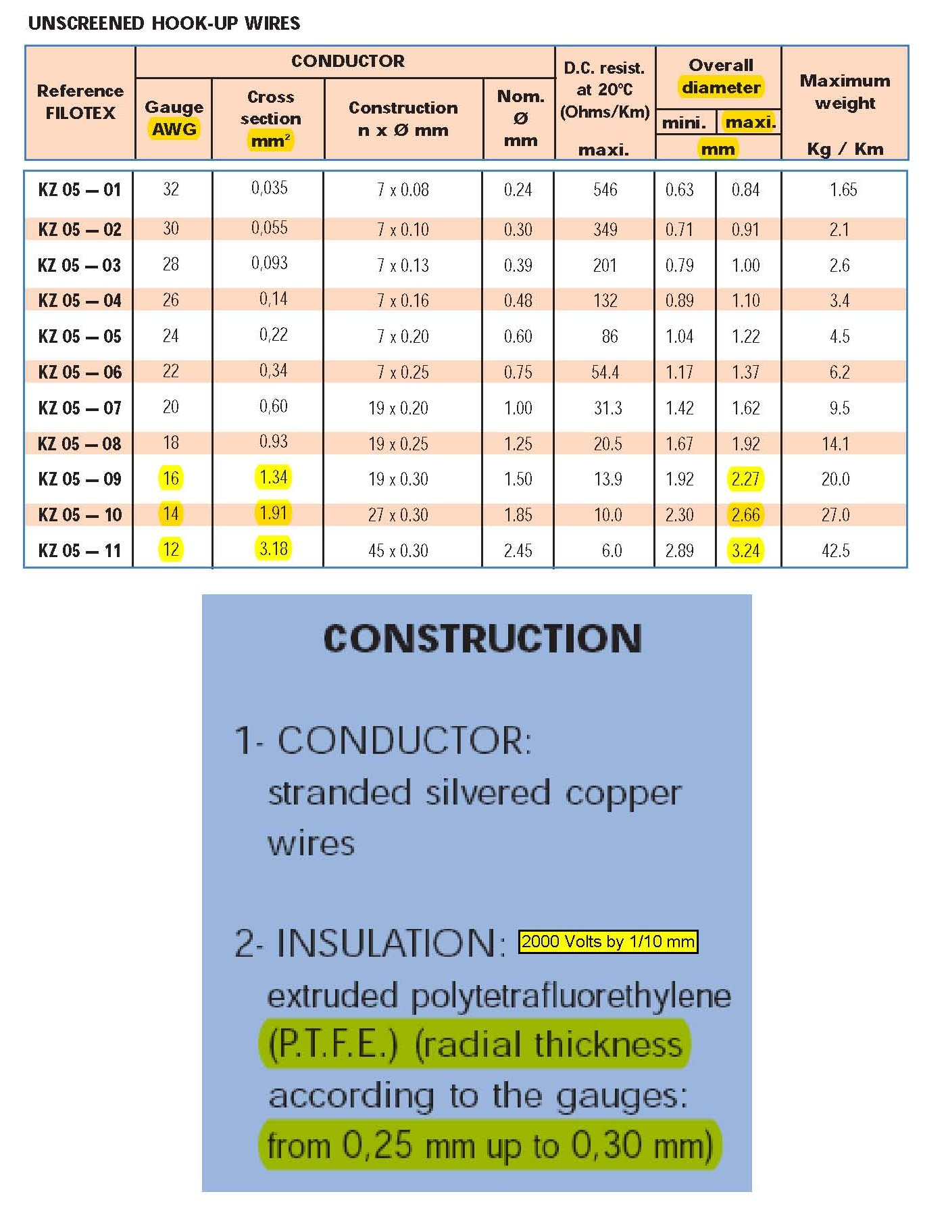

TUBING PTFE
SEE OTHER SIMILAR DOCS IN DOWNLOADABLE DOCUMENTS VOIR AUTRES DOCS SIMILAIRES DANS LES DOCUMENTS A TELECHARGER
